Introduction
Position | DT Ecommerce Growth Hacker | Task1: Viability Analysis
Required mindset | Deep-thinking, joy of learning | You will be asked to analyze viability of campaigns
 |  | This introduces you to the idea of business modeling
DT Areas of Work | Behavioral Intelligence, Execution, BizTech Acumen, Values driven decision making, Learnability
 |  | Task2: Model Design
 |  | This would help you in building models to analyze viability
 |  | You will key in values and the model will help you visualize
 |  | the viability of TACOS in different scenarios

 |  | Why these tasks
About DT Data Champion Role | Blend of business analytics, data science and data engineering. Solves real world problems, gets buyin of cross functional teams, takes ownership of the outcome | If you're hired as a Growth Hacker/Data Champion, you would be looking at a lot of real world problems, you'd have to design and implement solutions. Task1 evaluates your problem solving capabilities while Task2 evaluates your technical execution of the solution

 |  | If hired, what would you be taught
DeepTech Mindset | Ability to switch between abstract and concrete ideas, to spot core insights, to extrrapolate textual ideas to real world situations | You would learn Quartile.ai, AI Prompt Workflows, Business Analytics, Ecommerce Data Science

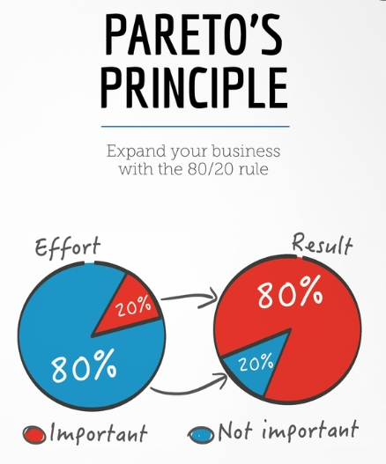

 |  | The tasks are quite easy, provided you follow the Pareto's law: spend 80% of the time reading and understanding, 20% time executing the task

Task 2 solution
input section

 | selling price | 30
 | COGS per unit | 15
 | amazon fee % of sp | 0.15 | the CAC
 | CAC per unit | 0 | 8.2
 | units sold | 5000
 | fixed costs | 10000
 | bank loan interest | 1500
 | tax rate | 0.20

Calculation Section

 | gros margin per unit | 15
 | amazon fee per unit | 4.5
 | net margin befor CAC | 10.5
 | total contribution | 52500
 | profit before tax | 41000
 | profit after tax | 32800

 | target CAC per unit | 8.2
 | target TACOS | 27.33%
 | units required to break even | 1095.2380952

Dashboard Analysis

 | units sold | PAT
 | 3000 | 16000
 | 4000 | 24400
 | 5000 | 32800
 | 6000 | 41200
 | 7000 | 49600

PAT vs Units Sold

Scenario Analysis

 | 1. Max CAC while afford 5000 units

 | 8.2 | per unit
 | 27.33% | TACOS

 | 2. volume sensitivity - unit drop to 4000

 | 7.625 | per unit
 | 25.42% | TACOS

 | 3. when fixed cost increases by 5000 $

 | new fixed cost | 15000
 | new fixed + interset | 16500

 | new CAC
 | 7.2 | per unit
 | 24.00% | TACOS

 | how much volume is needed to stay profitable

 | 7174 | units

 | 4. SP increases to 35$

 | sp | 35
 | amazon fee per unit | 5.25
 | net margin before CAC | 14.75

 | the new CAC
 | 12.45 | per unit3
 | 35.6% | TACOS

 | 5. Tax Rate change to 25%

 | PBT | 41000
 | PAT | 30750

 | so increasing tax from 20% → 25% reduces PAT from $32,800 → $30,750 (a drop of $2,050)

